Check SQL Permissions
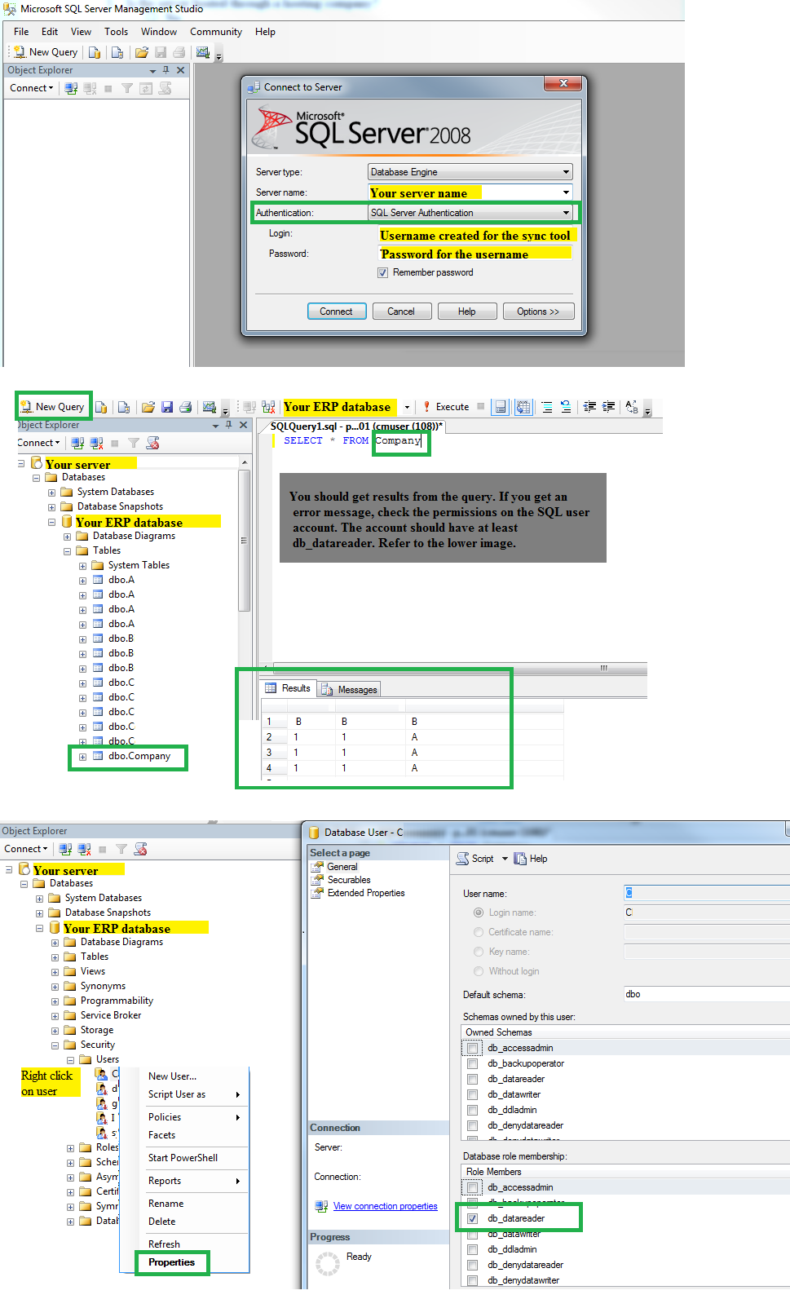
How to check SQL account permissions:

